FP
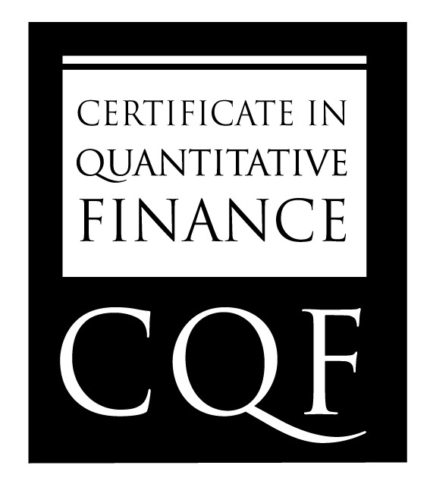
 | Name | Frank Ygnacio

 | Summary Grade | 73

Final Project Results -- Deep Learning Topic

 | Remarks | Project report should briefly cover important modelling choices and details around the problem considering. Only jupyter notebook outputs are presented. Extensive feature engineering and Eda noted. Could've done better with model evaluation

